REST_GetOutlets_ParameterChart
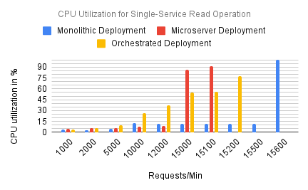
CPU
Requests/Min | Monolithic Deployment | Microserver Deployment | Orchestrated Deployment
1000 | 3.45 | 5.17 | 3.93
2000 | 3.04 | 5.65 | 5.67
5000 | 5.23 | 5.7 | 10.2
10000 | 12.4 | 7.78 | 26.2
12000 | 11.8 | 8.41 | 37.6
15000 | 11.63 | 86.5 | 55.02
15100 | 11.62 | 91.7 | 55.6
15200 | 11.62 |  | 77.4
15500 | 11.6
15600 | 100

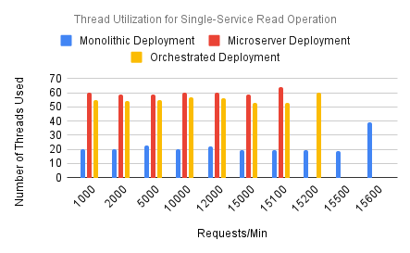
GetOutlet |  | Thread
Requests/Min | Monolithic Deployment | Microserver Deployment | Orchestrated Deployment
1000 | 20 | 60 | 55
2000 | 20 | 59 | 54
5000 | 23 | 59 | 55
10000 | 20 | 60 | 57
12000 | 22 | 60 | 56
15000 | 19.43 | 59 | 53.1
15100 | 19.34 | 64 | 53
15200 | 19.26 |  | 60
15500 | 19
15600 | 39

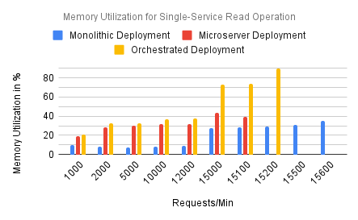
GetOutlet |  | Memory
Requests/Min | Monolithic Deployment | Microserver Deployment | Orchestrated Deployment
1000 | 9.67 | 19.4 | 20.6
2000 | 8.4 | 28.2 | 32.3
5000 | 7.39 | 29.8 | 32.9
10000 | 7.97 | 32 | 36.6
12000 | 8.69 | 31.5 | 37.8
15000 | 27.9 | 43.7 | 72.64
15100 | 28.54 | 39.4 | 73.8
15200 | 29.18 |  | 89.5
15500 | 31.1
15600 | 35

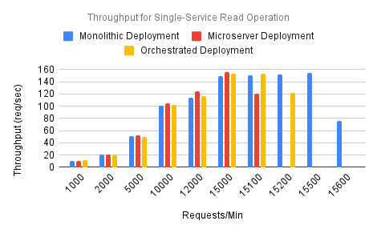
GetOutlet |  | Throughput
Requests/Min | Monolithic Deployment | Microserver Deployment | Orchestrated Deployment
1000 | 10.3 | 10.6 | 11.9
2000 | 21.1 | 21 | 19.6
5000 | 50.5 | 52.5 | 49.1
10000 | 101 | 105 | 102
12000 | 114 | 125 | 116
15000 | 149.14 | 156 | 152.77
15100 | 150.31 | 120 | 154
15200 | 151.48 |  | 122
15500 | 155
15600 | 76.1

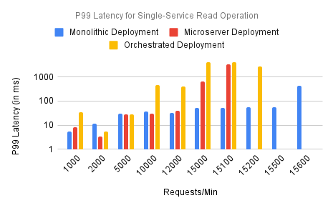
GetOutlet |  | P99
Requests/Min | Monolithic Deployment | Microserver Deployment | Orchestrated Deployment
1000 | 5.29 | 8.44 | 33.5
2000 | 11.4 | 3.47 | 5.45
5000 | 29.3 | 27.9 | 28
10000 | 36.2 | 30.5 | 478
12000 | 32.9 | 39.8 | 405
15000 | 53.04 | 672 | 4067.9
15100 | 53.71 | 3300 | 4190
15200 | 54.38 |  | 2700
15500 | 56.4
15600 | 422

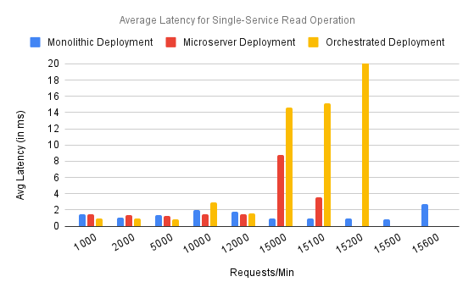
GetOutlet |  | Avg_Latency
Requests/Min | Monolithic Deployment | Microserver Deployment | Orchestrated Deployment
1000 | 1.45 | 1.51 | 0.986
2000 | 1.1 | 1.38 | 0.954
5000 | 1.37 | 1.22 | 0.837
10000 | 1.97 | 1.51 | 2.96
12000 | 1.79 | 1.43 | 1.6
15000 | 0.98 | 8.8 | 14.66
15100 | 0.95 | 3.51 | 15.1
15200 | 0.92 |  | 142
15500 | 0.842
15600 | 2.76

REST_Sendordertodelivery_Parame
 | CPU
CPU Utilization for Inter-Service Read-Write Operation
Requests/Min | Monolithic Deployment | Microserver Deployment | Orchestrated Deployment
1000 | 10.4 | 10.6 | 9.29
2000 | 8.39 | 15.8 | 13.6
4300 | 9.72 | 39.7 | 27.4
4400 | 10.2 | 40.7 | 28
5000 |  | 47 | 31.6
10000 |  | 25.4 | 43.9
11800 |  | 21.8 | 51.6
11900 |  | 25.9 | 52
12000 |  |  | 52.4
12800 |  |  | 28.9
12900 |  |  | 57.1

Thread Utilization for Inter-Service Read-Write Operation
SendorderToDelivery - Thread
Requests/Min | Monolithic Deployment | Microserver Deployment | Orchestrated Deployment
1000 | 20 | 59 | 61
2000 | 20 | 60 | 61
4300 | 20 | 59 | 62
4400 | 23 | 59 | 62
5000 |  | 59 | 62
10000 |  | 61 | 60
11800 |  | 59 | 62
11900 |  | 58 | 62
12000 |  |  | 62
12800 |  |  | 60
12900 |  |  | 78

Memory Utilization for Inter-Service Read-Write Operation
SendorderToDelivery - Memory
Requests/Min | Monolithic Deployment | Microserver Deployment | Orchestrated Deployment
1000 | 32.3 | 22.4 | 23
2000 | 32.6 | 29.3 | 29.5
4300 | 34.4 | 32.3 | 30.3
4400 | 34.4 | 32.4 | 30.3
5000 |  | 33.2 | 30.5
10000 |  | 34 | 35.1
11800 |  | 46.1 | 42.3
11900 |  | 54.2 | 42.7
12000 |  |  | 43.1
12800 |  |  | 87.7
12900 |  |  | 74.3

Throughput for Inter-Service Read-Write Operation
SendorderToDelivery - Throughput
Requests/Min | Monolithic Deployment | Microserver Deployment | Orchestrated Deployment
1000 | 10.2 | 9.99 | 9.88
2000 | 20.8 | 19.7 | 21.3
4300 | 47.1 | 43.2 | 44.9
4400 | 9 | 44.2 | 45.9
5000 |  | 50.3 | 52.1
10000 |  | 104 | 123
11800 |  | 121 | 125.7
11900 |  | 135 | 125.9
12000 |  |  | 126
12800 |  |  | 134
12900 |  |  | 84.3

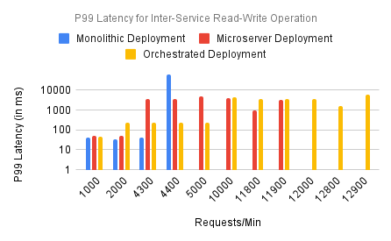
SendorderToDelivery - P99
Requests/Min | Monolithic Deployment | Microserver Deployment | Orchestrated Deployment
1000 | 40.2 | 52.3 | 43.5
2000 | 32.4 | 49.2 | 230
4300 | 43.1 | 3584 | 228
4400 | 61200 | 3738 | 228
5000 |  | 4660 | 228
10000 |  | 3940 | 4580
11800 |  | 989 | 3662
11900 |  | 3340 | 3611
12000 |  |  | 3560
12800 |  |  | 1550
12900 |  |  | 5970

Average Latency for Inter-Service Read-Write Operation
SendorderToDelivery - Avg_Latency
Requests/Min | Monolithic Deployment | Microserver Deployment | Orchestrated Deployment
1000 | 11.8 | 16.8 | 9.63
2000 | 8.73 | 8.9 | 6.99
4300 | 7.64 | 65.3 | 6.2
4400 | 13900 | 67.8 | 6.2
5000 |  | 82.5 | 5.93
10000 |  | 6.46 | 320
11800 |  | 7.27 | 185
11900 |  | 554 | 178
12000 |  |  | 170
12800 |  |  | 13.3
12900 |  |  | 1540

Final Parameter Comparison
Parameterwise PI Score for SendOrderToDelivery
SendordertoDelivery - Parameter wise comparison

 | Payara | Micro | K8s
CPU | 0.39 | 0.58 | 0.89
Thread | 0.37 | 0.06 | 0.02
Memory | 0.02 | 0.46 | 0.81
Throughput | 1.53 | 0.71 | 1.55
P99 Latency | 0.75 | 1.46 | 2.48
Avg Latency | 0.45 | 0.87 | 2.16

GetOutlets - Parameter wise comparison
Parameterwise PI Score for GetOutlets
 | Payara | Micro | K8s
CPU | 0.96 | 0.29 | 0.16
Thread | 1.00 | 0.00 | 0.09
Memory | 1.00 | 0.22 | 0.00
Throughput | 1.33 | 1.28 | 0.74
P99 Latency | 2.00 | 1.48 | 0.42
Avg Latency | 1.29 | 0.71 | 0.71

PI Comparison at Loads
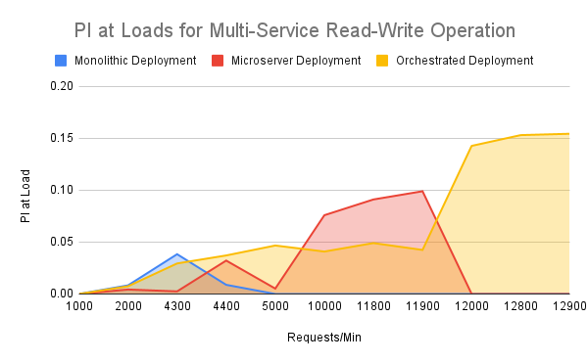
Sendordertodeliver-PI Comparison

Load | Monolithic Deployment | Microserver Deployment | Orchestrated Deployment
1000 | 0 | 0 | 0
2000 | 0.01 | 0.00 | 0.01
4300 | 0.04 | 0.00 | 0.03
4400 | 0.01 | 0.03 | 0.04
5000 | 0.00 | 0.01 | 0.05
10000 | 0.00 | 0.08 | 0.04
11800 | 0.00 | 0.09 | 0.05
11900 | 0.00 | 0.10 | 0.04
12000 | 0.00 | 0.00 | 0.14
12800 | 0.00 | 0.00 | 0.15
12900 | 0.00 | 0.00 | 0.15

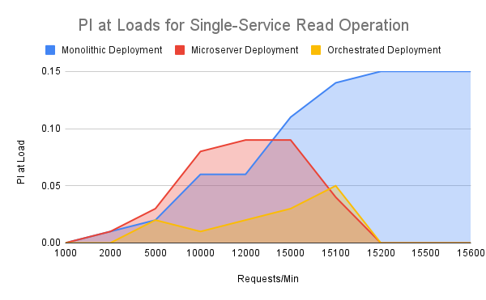
Getoutlet-PI Comparison

Load | Monolithic Deployment | Microserver Deployment | Orchestrated Deployment
1000 | 0 | 0 | 0
2000 | 0.01 | 0.01 | 0
5000 | 0.02 | 0.03 | 0.02
10000 | 0.06 | 0.08 | 0.01
12000 | 0.06 | 0.09 | 0.02
15000 | 0.11 | 0.09 | 0.03
15100 | 0.14 | 0.04 | 0.05
15200 | 0.15 | 0 | 0
15500 | 0.15 | 0 | 0
15600 | 0.15 | 0 | 0

Operationwise PI
Operation | Monolithic Deployment | Microserver Deployment | Orchestrated Deployment
Single Service Read | 0.85 | 0.34 | 0.13
Multi Service Read-Write | 0.06 | 0.31 | 0.7

Operation-wise Perfomance Index Comparison

Grafana_SS
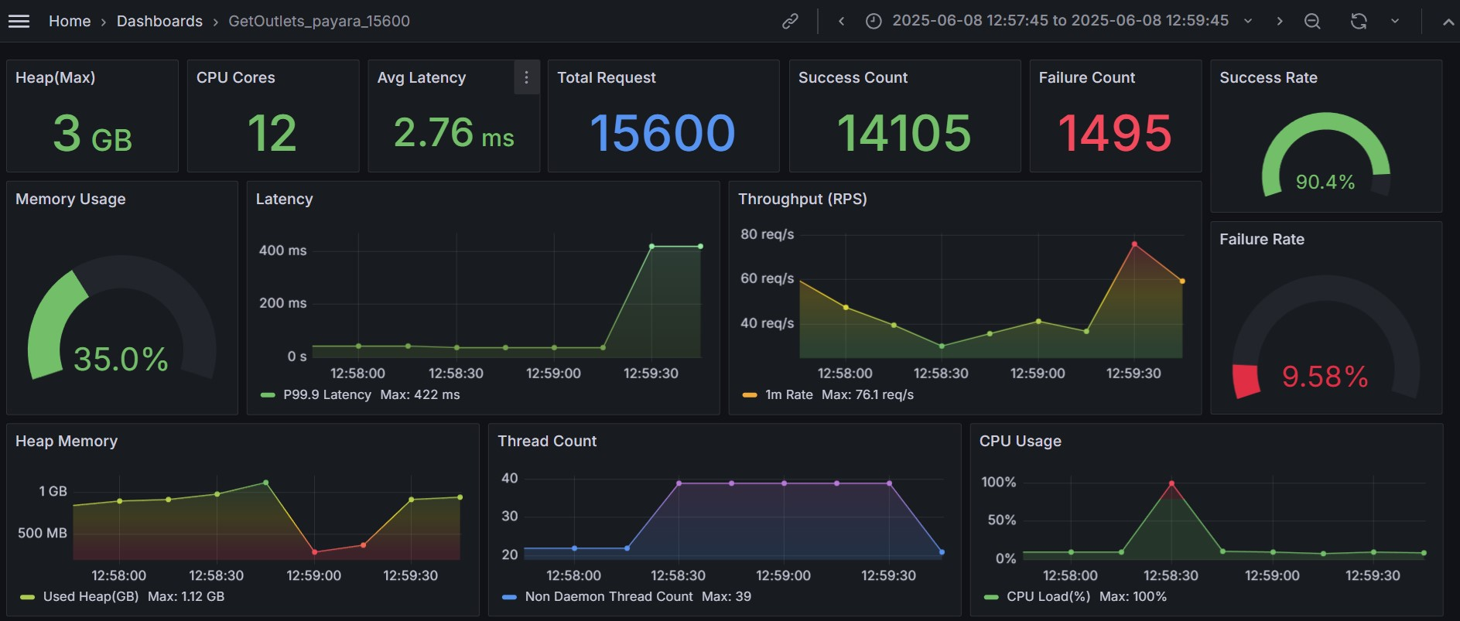
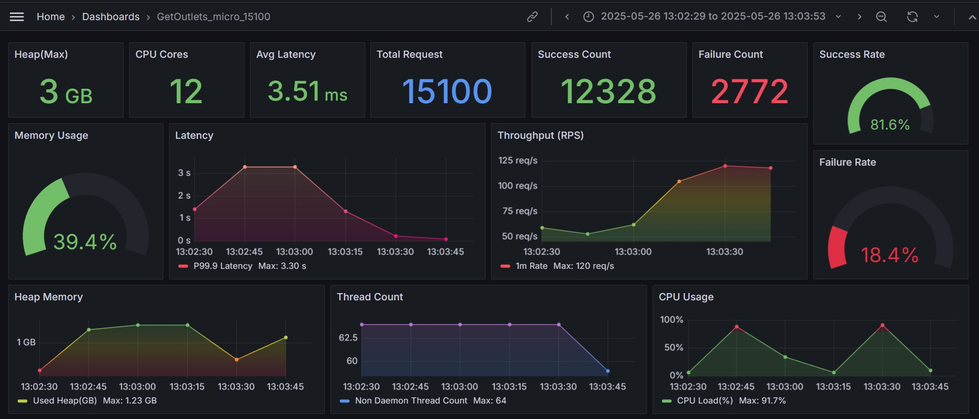
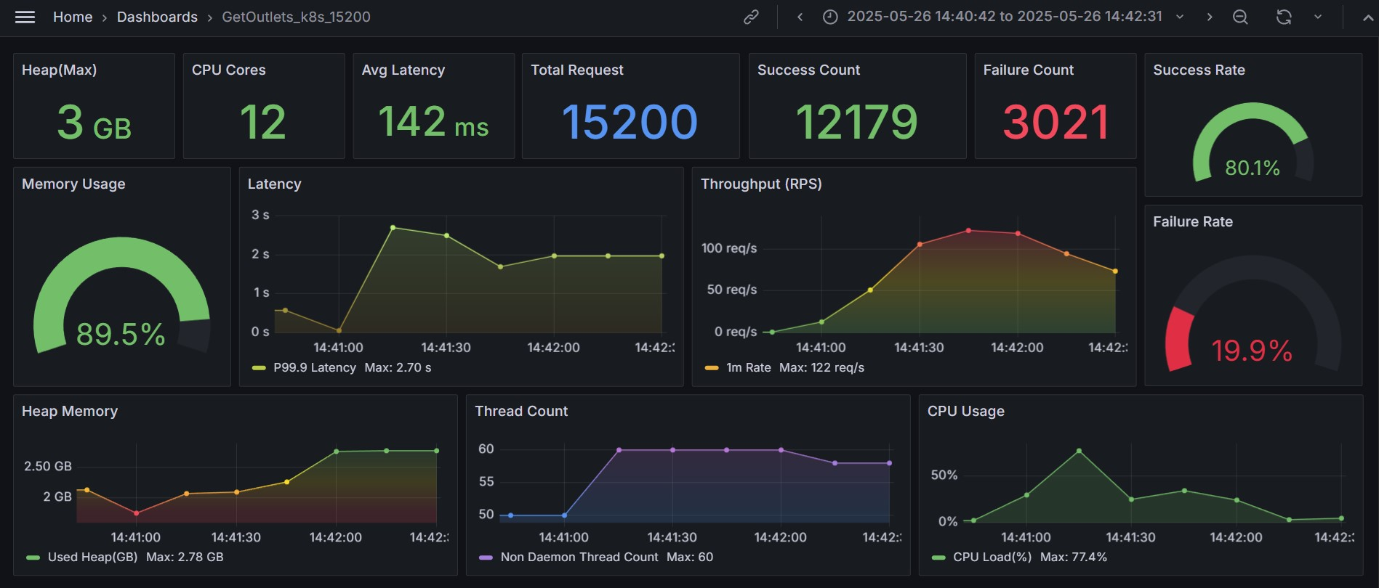
 | GetOutlet

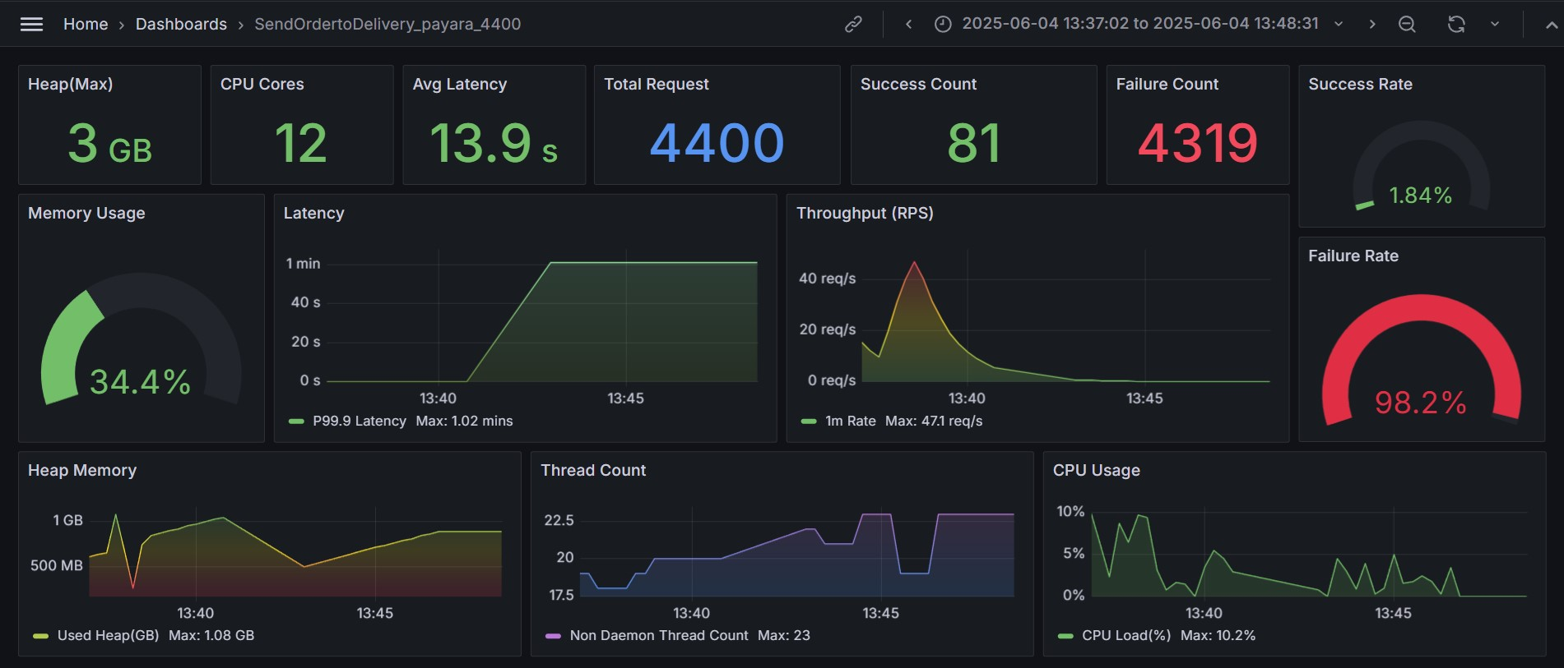
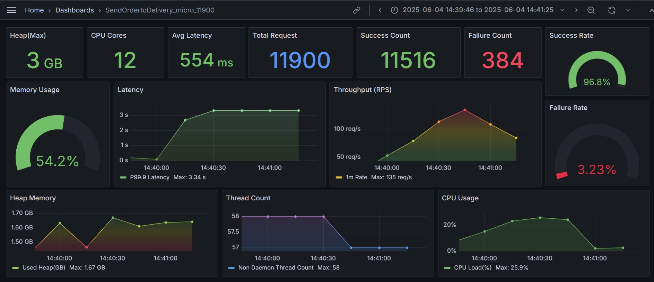
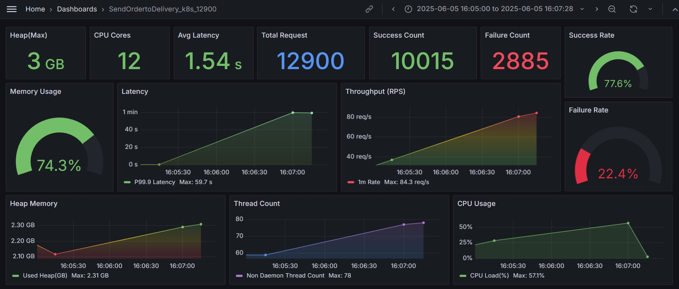
SendordertoDelivery

